Devices
 | Minimum Depth (feet) | Approx footprint needed (square feet) | Sample Picture | Link to NC BMP Manual
Bioretention | 3 | #VALUE! |  | https://ncdenr.s3.amazonaws.com/s3fs-public/Water%20Quality/Surface%20Water%20Protection/SPU/SPU%20-%20BMP%20Manual%20Documents/BMPMan-Ch12-Bioretention-20090724-DWQ-SPU.pdf
Cistern | 3 | #VALUE! | 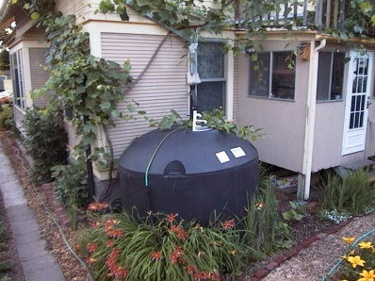 | https://ncdenr.s3.amazonaws.com/s3fs-public/Energy%20Mineral%20and%20Land%20Resources/Stormwater/BMP%20Manual/Ch%2025%20RWH%20Final%20Draft.pdf
Rain Barrel | 3 | #VALUE! | 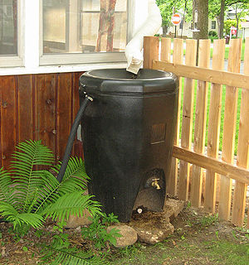 | https://ncdenr.s3.amazonaws.com/s3fs-public/Energy%20Mineral%20and%20Land%20Resources/Stormwater/BMP%20Manual/Ch%2025%20RWH%20Final%20Draft.pdf
Infiltration Basin/trench | varies | #VALUE! | 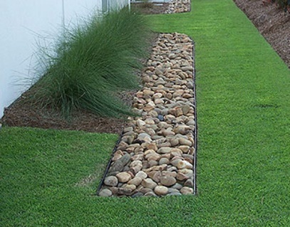 | https://ncdenr.s3.amazonaws.com/s3fs-public/Energy%20Mineral%20and%20Land%20Resources/Stormwater/BMP%20Manual/Ch16%20-%20Infiltration%20Devices%2023July2009.pdf

*Infilltration values are based on 'C' soil type

