Data
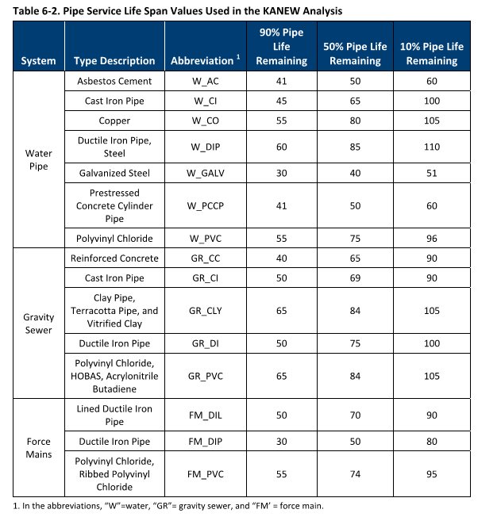
Water pipe | AC | 60
 | CI | 100
 | CO | 105
 | DIP | 110
 | GALV | 51
 | PCCP | 60
 | PVC | 96
Sewer Pipe | PVC
 | CI
 | DIP
 | VCP
 | CONC
PACP Codes | 1
 | 2
 | 3
 | 4
 | 5

Development
CORPUD

2" | 2
6" | 6
8" | 8
10" | 10
12" | 12
16" | 16
18" | 18
20" | 20
24" | 24

Open Cut | 1
Bore and Jack | 1
Bursting Class A
Bursting Class B
Bursting Class C

Yes
No

Boolean
Yes
No

